How to use the CALC tool
How to Use the CALC Tool

Introduction
Each class at PCC has a Schedule Type (i.e. ‘Lecture’, ‘Lab’, Lecture/Lab mix called ‘Range’) and therefore, a Salary Grade assigned to that Schedule Type. Salary Grades can be viewed in the PT Faculty Salary Schedule. Instructors are paid the pay rate for their class’s Salary Grade based on their Step.
Some classes have more than one Schedule Type (i.e. both ‘Lecture’ and ‘Range’). The NWRINAS report will automatically calculate an instructor’s pay rate based on their Step, the Salary Grade for each Schedule Type in the class and how many Pay Hours are assigned to each Schedule Type in the class (see image below to see an example of a class with more than one Schedule Type).Use the chart below to determine the Salary Grade of each Schedule Type:
But what if the instructor misses a class and a substitute instructor takes their place? Since instructors’ pay rates are case-by-case, how can you calculate what the pay rate should be for an instructor substituting a class with more than one Schedule Type?
Sub Pay Rates that require calculation can be calculated using the “CALC Rate Calculator for FY 20XX” tool, located on the HRIS website under "Forms".
The EPAF Process Guide located on HRIS website addresses how to determine Sub Pay Rates for classes where calculation is NOT needed (How to Determine Sub Pay Rates and other Sub EPAF FAQs) on page 50.

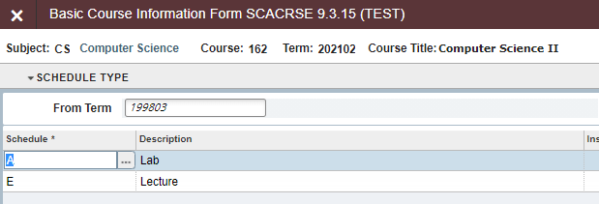

Gathering Information to Determine Sub Pay Rate

*The following information applies to scenarios where an instructor substitutes an entire class, not simply one portion (i.e. both the Lecture and Lab, not just the Lab). If an instructor only substitutes the Lecture portion say, they would simply be paid at the Lecture Salary Grade pay rate per their Step. No calculation is needed.
You will need to have the following information:
- The instructor’s Step
- The Schedule Types of the class
- The Pay Hours of each Schedule Type
1. To determine the instructor’s Step:
In Banner, visit PWAPLVL and enter the instructor’s G Number.
The Hrs Step is the instructor’s Step.
2. To determine the Schedule Types of the class:
In Banner, visit SCACRSE and enter the Subject Code, Course Number and Term Code.
Next Block until you get to the class’s Schedule Type
Use the chart below to determine the Salary Grade of each Schedule Type:
3. To determine the Pay Hours of each Schedule Type:
In the Schedule Type page of SCACRSE, select the Schedule Type and click on ‘More Information’.
The Pay ours for the selected Schedule Type will appear in a pop up:

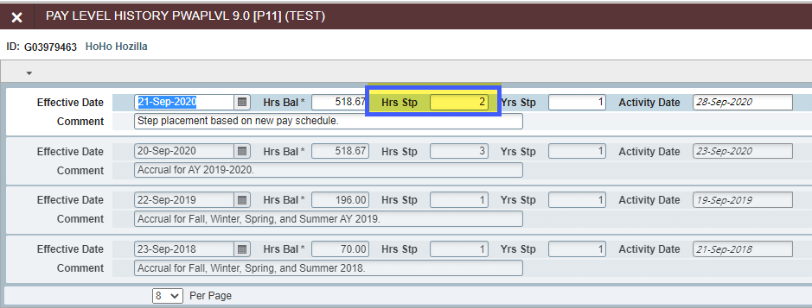

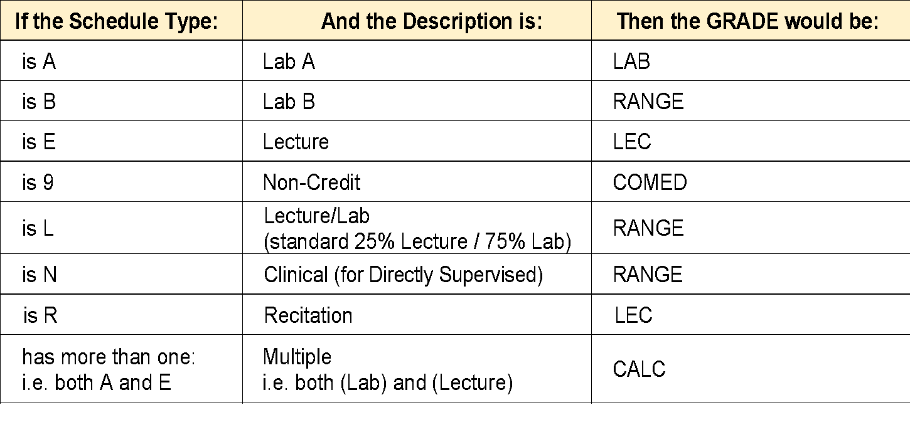

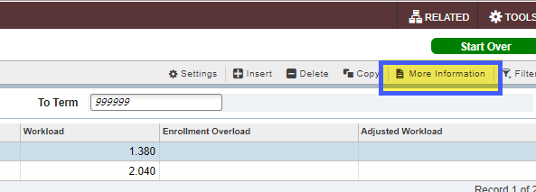

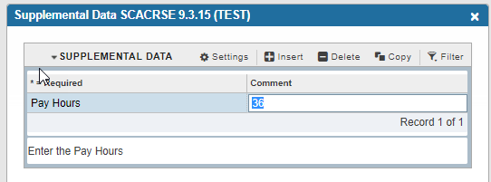

Calculating Sub Pay Rate Using the CALC Rate Calculator Tool
1. Open the CALC Rate Calculator Tool.
2. Enter the instructor’s step in the Step field. This will automatically adjust the pay rates for each Salary Grade in the spreadsheet.
3. Under Grade, use the dropdown lists to enter the Schedule Types of the Class.
4. For each Schedule Type, enter the Pay Hours in the Pay Hours column. The Pay Rate will automatically calculate ($59.58 in the example below).

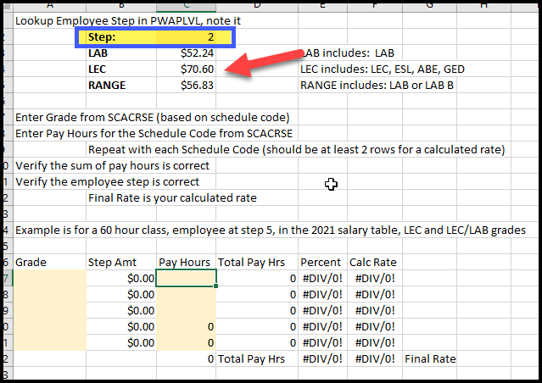

Example of a Class with Three Different Schedule Types

The Pay Hours for Schedule Type A (Lab) is 18.
The Pay Hours for Schedule Type B (RANGE) is 18.
The Pay Hours for Schedule Type E (LEC) is 36.
Let’s say the instructor is at Step 2.
If we enter the Step at 2, the three Salary Grades and their Pay Hours, we get a Pay Rate of $62.57:
